data input for certificate
IRSA - WORLD RADIO SAILING |  |  |  |  |  |  | (this is not a certificate)
IRSA A CLASS MEASUREMENT FORM - DATA INPUT
This page is not part of the certificate.
INPUT HULL AND RIG DATA ON THIS PAGE |  |  |  |  |  |  | © 2018, IRSA
FS and RC release version 1 |  |  |  |  |  |  | Effective 1st April 2018
H.6.1 | Linear measurements of the following: draught, freeboard, flotation waterline length, measured waterline length, quarter beam length, rig dimensions, sail dimensions, shall be taken in millimetres and rounded up to the nearest whole number before being recorded on the certificate, used in subsequent calculations or compared with a limiting value.
H.6.2 | Maximum and minimum values of linear limitations in the class rules or certificate are in millimetres and shall be taken as absolute limiting values.
H.6.4 | For certification control the boat weight shall be taken in kilograms using calibrated equipment and rounded to the nearest 0.1 kg before recording on the certificate and use in subsequent calculations.
H.6.5 | Calculated values shall be rounded to the nearest whole number before recording on a measurement form or certificate, use in any subsequent calculations or comparison with any limitation in the class rules or certificate.

 | DATA INPUT FOR INTERNATIONAL "A" CLASS MEASUREMENT

 | Boat registered number | Required | Hull
 | Boat name | Required | Weight of boat, kg |  |  |  |  | Required for RATING
 | Design's name | Required |  |  |  |  |  | RESOLVE ERROR IN RECORDED LENGTHS
 | Designer's name | Required | LOA, overall length |  |  |  | 2000.0
 | Builder's name(s) | Required | FOH, forward overhang |  |  |  | 300.0
 | Owner's name | Required | AOH, aft overhang |  |  |  | 330.0
 | Date of this certification control |  | FLWL, flotation waterline length |  |  |  |  | FLWL found from LOA, FOH & AOH = 1370
 |  | Required | Extension of any bridged hollow in bow profile |  |  |  |  | #VALUE!
 |  |  | Extension of hull parts beyond FLWL ending
 | Date of first certification control |  | Extension of hull app. beyond FLWL ending
 |  | Required | MLWL, measured waterline length |  |  |  | 0
 |  |  | Quarter beam length - port |  |  |  |  | Required for RATING
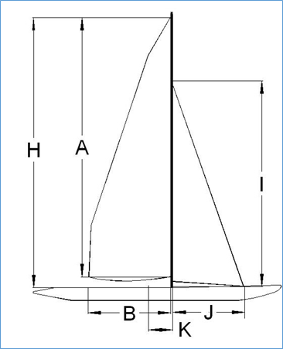
 |  |  | Quarter beam length - starboard

 |  |  | Draught |  |  |  |  | Required for RATING

 |  |  | Freeboards |  |  | Port | Starboard
 |  |  |  |  | Fore |  |  | Required for RATING
 |  |  |  |  | Mid |  |  | Required for RATING
 |  |  |  |  | Aft |  |  | Required for RATING | suggested
 |  |  |  |  |  |  |  |  | maximum
 |  |  | Sail Plan - Measurements |  |  |  |  |  | possible values
 |  |  | H, Height of rig (maximum 2167) |  |  |  |  | Required for RATING
 |  |  | A, Mainsail luff |  |  |  |  | Required for RATING | #DIV/0!
 |  |  | B, Luff perpendicular |  |  |  |  | Required for RATING | #DIV/0!
 |  | Insert 0 if no HEADSAIL | I, Foretriangle height (maximum 1625) |  |  |  |  | Required for RATING | #DIV/0!
 |  | Insert 0 if no HEADSAIL | J, Foretriangle base |  |  |  |  | Required for RATING | #DIV/0!
 |  |  | K, deck datum line to mast leading edge |  |  |  |  | Required for RATING
 |  |  | M, hull datum point to FLWL limit mark
 |  |  |  |  |  |  |  | PROBABLE UNITS ERROR
 |  |  | Sail Plan - Calculated values
 |  |  | Maximum mainsail 1/4 width |  |  |  | 90 | Calculated values as advice to measurer/sail maker
 |  |  | Maximum mainsail 1/2 width |  |  |  | 110
 |  |  | Maximum mainsail 3/4 width |  |  |  | 105
 |  |  | Maximum headsail half width |  |  |  | 50
 |  |  | The considerable input into these calculations and figures by Henry Farley of Lee Valley MYC is gratefully acknowledged.
 |  |  | The valued assistance of Andrew Crocker of Kogarah Bay Sailing Club, Australia, is gratefully acknowledged.

 |  |  |  | With Incomplete Data, RATING = |  |  |  |  | 0
 |  |  | RC or free sailing? Enter FS if freesailing |  |  |  | fs | Rating | 0
 | NOTE: THIS FORM IS NOT PART OF THE CERTIFICATE |  | Effective 1st April 2018 |  |  |  | FS and RC release version 1 | © 2018, IRSA

